Các dạng bài
Hội thoại mở đầu | 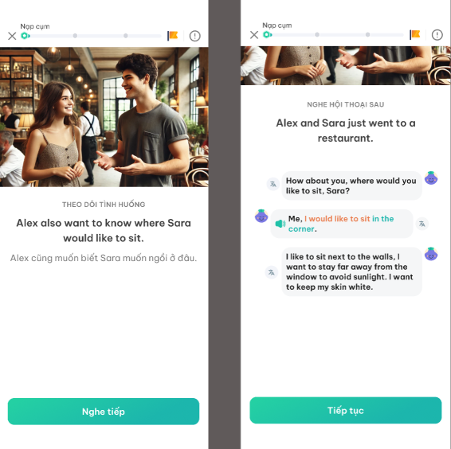 | Video demo: https://drive.google.com/file/d/10XNge1b859jS1zaKtcZ7F4j3dRP-mVBz/view?usp=sharing
Chọn tranh minh họa | 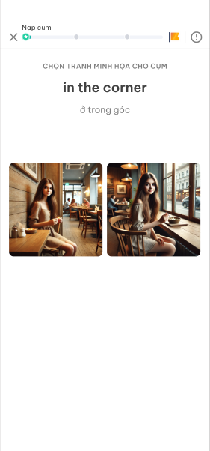
Câu hỏi Warm up | 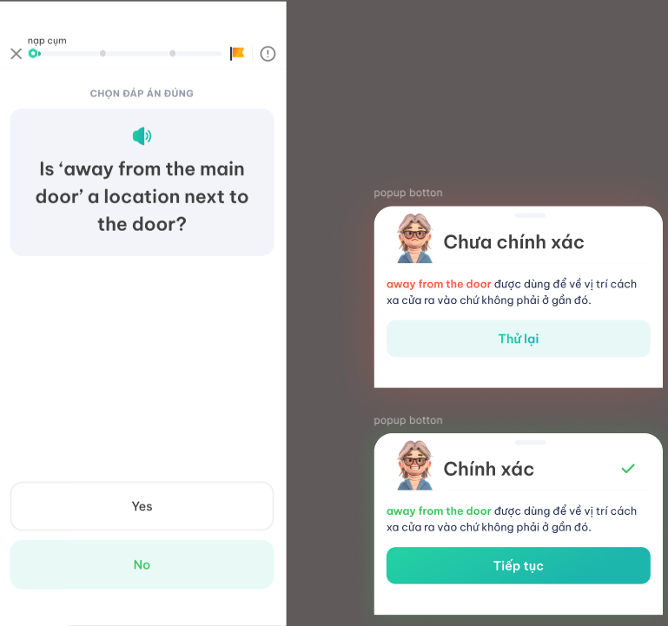
Trả lời theo tranh gợi ý | 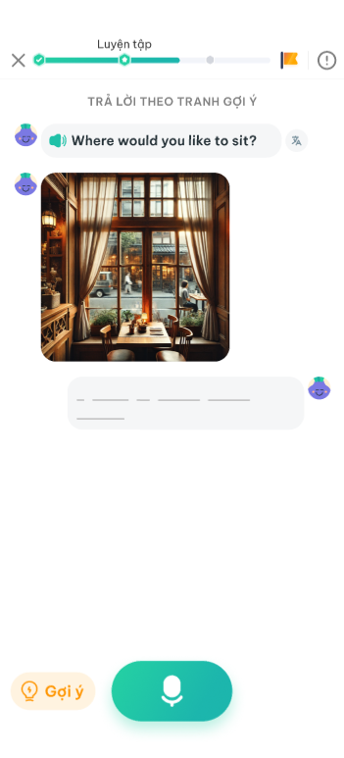
Hoàn thiện hội thoại | 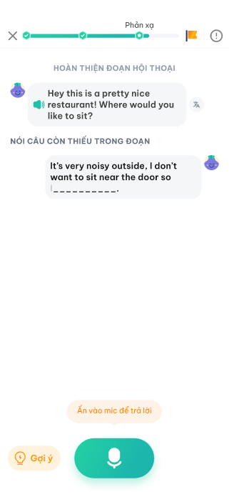
Role play | 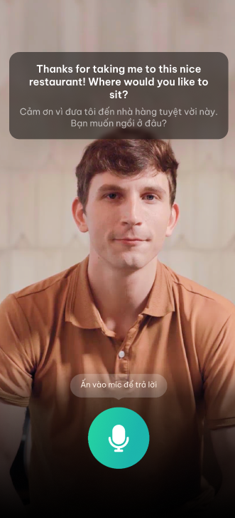

(Cường) Requirement gen ảnh
Dạng bài | Loại ảnh cần gen | Reference |  | Đặc điểm | Số lượng (Cho 1 bài) | Tổng số lượng | Input để gen ảnh
Dạng hội thoại mở đầu | Ảnh thumbnail |  |  | - Kích cỡ tỷ lệ: 3:2 (Khổ chữ nhật) - Khung ngang - Style ảnh: Như style của phần Ôn tập (đã chốt) | 1 | 6 | Link input | xong
 | Avatar nhân vật |  | 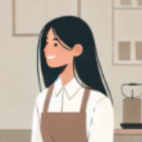 | - Kích cỡ tỷ lệ: 1:1 (Khổ vuông) - Style ảnh: Như style của phần Ôn tập (đã chốt) - Cách tạo: Cắt ảnh khổ vuông từ mặt hai nhân vật trong ảnh thumbnail | 2 | 12 |  | xong
Chọn tranh phù hợp | Ảnh cho phương án trả lời |  |  | - Kích cỡ tỷ lệ: 1:1 (Khổ vuông) hoặc gần tỷ lệ như vậy *Với các ảnh size chữ nhật, có thể cap tay thành khung vuông và chú ý focus vào phần ảnh chính - Style ảnh: Ưu tiên tìm ảnh style flat design (có thể tìm trên printerest), nếu khum có thì dùng style ảnh thường *Tuy nhiên style ảnh của 1 cặp từ phải giống nhau | 2024-08-06 | 60-110 | Danh sách cụm | dự tính sẽ sử dụng Prompt đôi, gen ra 2 prompt đối lập nhau
Trả lời theo tranh gợi ý 1 (Ngôi thứ nhất) | Ảnh minh họa cho đáp án | 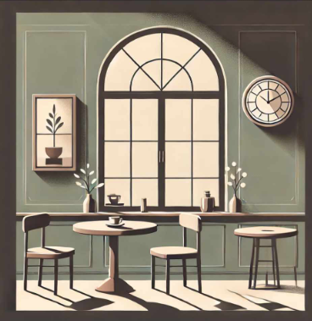 |  | - Kích cỡ tỷ lệ: 1:1 (Khổ vuông) - Style ảnh: Style thường, ưu tiên style flat design *Ảnh khác dạng Chọn tranh phù hợp | 3 | 45 | Link input | dự kiến sử dụng prompt đôi 1 cái ko có người 1 cái có người
Trả lời theo tranh gợi ý 2 (Ngôi thứ ba) | Ảnh minh họa cho đáp án | 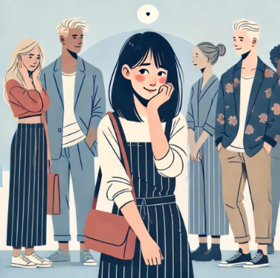 |  | - Kích cỡ tỷ lệ: 1:1 (Khổ vuông) - Style ảnh: Như style của phần Ôn tập (đã chốt) - Highlight nhân vật trong câu input | 3 | 45
Role play | Ảnh tĩnh |  |  | - Kích cỡ tỷ lệ: 3:2 (Khổ chữ nhật) - Khung dọc - Style ảnh: Như style của phần Ôn tập (đã chốt) | 1 | 3 | Link input | gen tay

